Student Demographics
New Haven Tutoring Initiative
Summer 2024 Estimated Student Demographics
Instructions: Please provide the following estimated demographic numbers for your students who will be participating in the Infusion tutoring Model* (For any category that you do not have students, enter 0)
Agency Name =
Estimated Total # of Tutoring Students Served =

Race* | Estimated Number of students (numbers only - should add up to Estimated Total above)
Asian or Southeast Asian
Black or African American
Hispanic or Latino/Latina/Latinx
Middle Eastern or Arab
Native American Indian, Indigenous peoples, or Alaska Native
Native Hawaiian or Other Pacific Islander
White or European
Multiracial/individuals that identify as two or more races
Other
Unknown

Ethnicity* | Estimated Number of students (numbers only - should add up to Estimated Total above)
Hispanic
Not Hispanic

Grade | Estimated Number of students (numbers only - should add up to Estimated Total above)
Kindergarten
1st Grade
2nd Grade
3rd Grade
4th Grade
5th Grade
6th Grade
7th Grade
8th Grade

Gender* | Estimated Number of students (numbers only - should add up to Estimated Total above)
Female
Non-Binary
Male
Unknown

Household Income Level (Area Medium Income - AMI)** see below | Estimated Number of students (numbers only - should add up to Estimated Total above)
Greater than 80% AMI
50-80% AMI
30-50% AMI
Less than 30% AMI

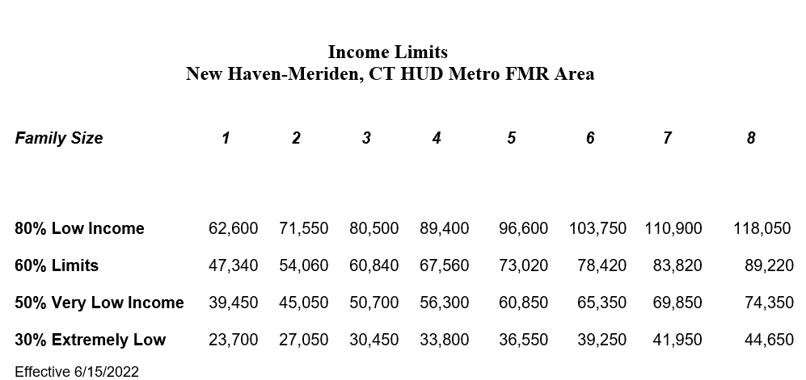

*Organizations awarded NHTI grants will be required to track and report the demographics above due to federal requirements

